Sheet1
ProPANE Camera Decision Process |  | Scroll over for more devices --->

Tech Spec # | Synopsis | Samsung Galaxy Camera | Nikon Coolpix S800c | Samsung WB850 | Canon PowerShot G15 | Logitech HD Pro Webcam C920 | Canon VIXHA HF M32 | Canon PowerShot G2
3.1.1 | Setup time will remain under 5 minutes | Yes | Yes | Yes | Yes | Yes | Yes | Yes
3.2.1 | Captures information on board if there for 5 seconds | Yes | Yes | Yes | Yes | Yes | Yes | Yes
3.3.1/2 | Must operate within 60-220 inches from board | Yes | Yes | Yes | Yes | No | No | Yes
4.1.1 | Must weigh less than 2.5 kg | Yes | Yes | Yes | Yes | Yes | Yes | Yes
4.1.2 | Must fit in 0.75m sided cube | Yes | Yes | Yes | Yes | Yes | Yes | Yes
6.1.1/2 | Start and stop system without special training | Yes | Yes | Yes | Yes | No | Yes | Yes
 |  |  | Table 1
Table 1, above, includes many possible camera options for use with the ProPANE system. The options include traditional point-and-shoot cameras, a webcam, a camcorder, and Android-powered point-and-shoots. When compared against our technical specifications, all but two of these options meet all the required specs. Neither the Logitech HD Pro Webcam C920 nor the Canon VIXHA HF M32 camcorder possess the resolution required to operate at the necessary distance from the board. Furthermore, the Logitech webcam requires special software to operate, and it has been described as difficult to use. Therefore, neither of these devices are considered viable options. The remaining cameras are further analyzed in the Table 2, below.

Note: The Canon PowerShot G2 was used by Microsoft Research for their Whiteboard Capture System, and is included here for the sake of comparison. It is no longer readily available, and is not considered a viable option.

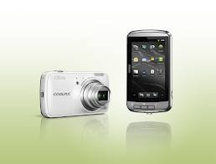
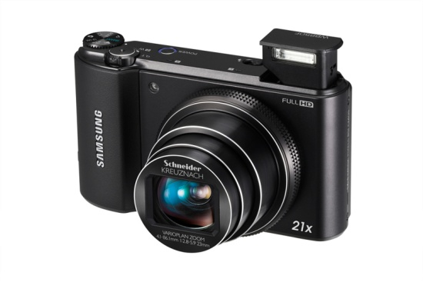
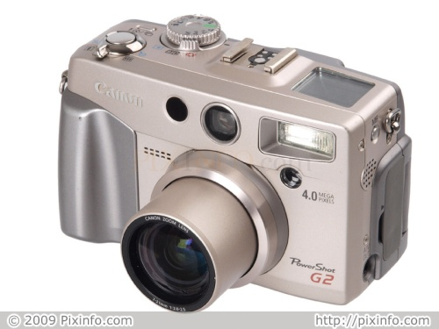
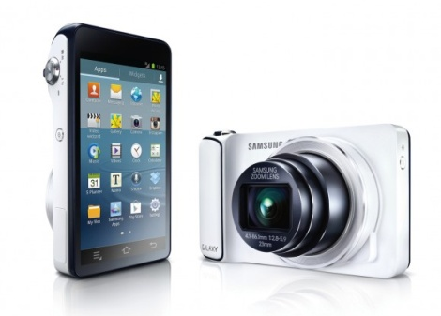
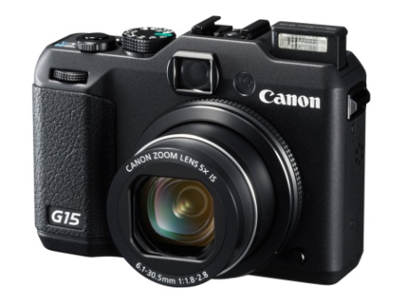

Specification | Samsung Galaxy Camera | Nikon Coolpix S800c | Samsung WB850 | Canon PowerShot G15 | Canon PowerShot G2
Ease of Setup | 4 steps | 4 steps | ~7 steps | ~7 steps | ~7 steps
Battery Life | 1650 mAh Lithium Ion Battery (~340 shots) | 1050 mAh Li-Ion Battery EN-EL 12 (~140 shots) | 1050 mAh SLB-10A Lithium Ion Battery (~200 shots) | 920 mAh Battery Pack NB-10L (~350 shots) | 2000 mAh Lithium-ion BP-511 (~400 shots)
Price | $500 | $350 | $380 | $500 | ---
Size | 2.79 (H) x 5.07 (W) x .75 (D) inches | 2.4 (H) x 4.4 (W) x 1.1 (D) inches | 2.44 (H) x 4.31 (W) x 0.98 (D) inches | 2.99 (H) x4.20 (W) x 1.58 (D) in. | 3.0 (H) x 4.8 (W) x 2.5 (D) in.
Weight | 10.76 oz | 6.5 oz | 8.18 oz | 12.4 oz | 15 oz
Required Extra Equipment | None | None | Computer, USB cable, SDK | Computer, USB cable, SDK | Computer, USB cable, SDK
Resolution | 16.3 MP | 16 MP | 16.2 MP | 12.1 MP (effective) | 4.0 MP (effective)
Zoom | 21x Optical | 10x Optical | 21x Optical | 5x Optical, 20x Combined | 3x Optical
Onboard Processing | Potentially (Android 4.1 Jellybean) | Potentially (Android 2.3.3 Gingerbread) | None | None | None
Wireless Communication | Wi-Fi, Cellular, Bluetooth | Wi-Fi | Wi-Fi | None | None
 |  | Table 2

Table 2 compares all possible cameras in a number of important categories. All options are well within the required size and weight, with the smallest being the Samsung WB850, and the lightest being the Nikon Coolpix S800c. All cameras have resolutions far greater than what is necessary to capture the information on a whiteboard, with the highest resolution belonging to the Samsung Galaxy Camera. The battery life varies greatly from camera to camera. The PowerShot G15 and Galaxy Camera boast the most impressive battery lives, while the Coolpix S800c and WB850 can take significantly fewer photos, per the standard CIPA rating. However, all cameras can operate while plugged into an AC adapter. All cameras also have at least 5x optical zoom, which bests the 3x zoom on the PowerShot G2 used by Microsoft; the Galaxy Camera and WB850 feature 21x optical zoom. As for pricing, the PowerShot G15 and Galaxy Camera both cost $500 (before tax), while the WB850 and Coolpix S800c are $380 and $350, respectively. All prices are within our budget.
When the task of programming the camera to meet the requirements of the ProPANE project is considered, the Galaxy Camera and Coolpix 800c begin to stand out as the two best camera options. Both run on the Android operating system, albeit different versions, and their cameras can be controlled directly from the device via an application. Control of the other cameras requires a connection to a computer via USB, and the use of a Software Development Kit (SDK). Canon allows developers to apply for an SDK, but it is not clear whether this license would be granted to a group of students. Samsung does not offer access to an SDK for the WB850, so we can not guarantee that we will be able to program it. Furthermore, the addition of a necessary computer to run these cameras would need to be accounted for in our tech specs. This computer would need to be bundled with the camera for use by the professor, and would therefore most likely be governed by our budget restrainsts, with which it almost certainly would not comply. Even if a computer were to be obtained, this step would increase setup time and detract from the ease of use of the system. Taking into account operation of both the computer and camera during setup, the process would take an estimated 7 steps, while setup on the Android cameras would take 4 steps.
Other features that are not necessary, but increase the options for our project, including Version 2 functionality, are found in the Galaxy Camera and Coolpix S800c. Both cameras support wireless file transfer; the Coolpix S800c uses Wi-Fi, while the Galaxy camera supports Wi-Fi, Bluetooth, and cellular networks (AT&T or Verizon) with a monthly subscription plan (not required for purchase). Additionally, both cameras could potentially take advantage of their processing power to implement some of the necessary image processing before files are transferred to our analysis system.
Directly comparing the Galaxy Camera and Coolpix S800c, they are similar in many aspects. However, one important aspect of the Coolpix S800c is not listed in our matrix: the device's automatic shut-off feature. If the camera is left idle for a few minutes, it will enter "standby" mode. This closes the Android operating system, and while the camera can function outside of the OS, it would not allow us to control the camera after standby mode is activated without restarting the app.
In conclusion, our analysis shows that our best option is an Android-powered camera. Of the two such cameras on the market, the Samsung Galaxy Camera boasts better battery life and optics, while the Nikon Coolpix S800c costs less. However, the auto shut-off feature of the Coolpix S800c does not allow us to operate our app uninterrupted for a full lecture period. Therfore, we identify the Samsung Galaxy Camera as the best option for the ProPANE project.

Best Option: Samsung Galaxy Camera

